Sheet5
Count of Commute Distance | Column Labels
Row Labels | No | Yes | Grand Total
adoloscents | 5 | 4 | 9
middle aged | 469 | 444 | 913
old | 43 | 31 | 74
#REF! | 1 | 1 | 2
Grand Total | 518 | 480 | 998

Sheet6
Buyers by Region
 | adoloscents | middle aged | old | #REF!
Europe | 1 | 271 | 27
North America | 6 | 463 | 36 | 2
Pacific | 2 | 179 | 11
Count of Purchased Bike | Column Labels
Row Labels | adoloscents | middle aged | old | #REF! | Grand Total
Europe | 1 | 271 | 27 |  | 299
North America | 6 | 463 | 36 | 2 | 507
Pacific | 2 | 179 | 11 |  | 192
Grand Total | 9 | 913 | 74 | 2 | 998

Sheet4
Average of Income | Column Labels
Row Labels | No | Yes | Grand Total
Female | 53493.975904 | 55774 | 54611
Male | 56208 | 60124 | 58059
Grand Total | 54903.474903 | 57958.333333 | 56372.745491

Dashboard
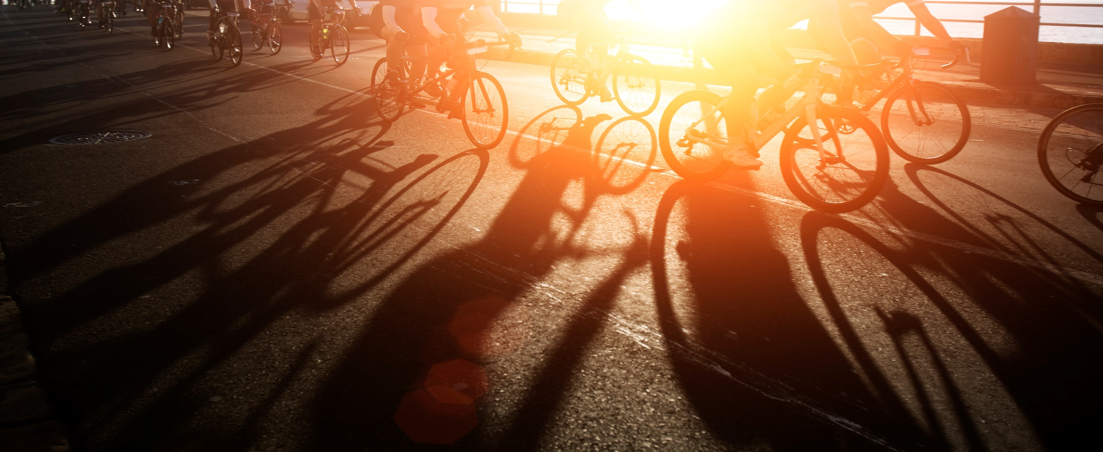
Bike Sales Dashboard

Average income of the person
 | No | Yes
Female | 53493.975904 | 55774
Male | 56208.178439 | 60124
Customer Age Brackets
 | No | Yes
adoloscents | 5 | 4
middle aged | 469 | 444
old | 43 | 31
#REF! | 1 | 1

Buyers by Region
 | adoloscents | middle aged | old | #REF!
Europe | 1 | 271 | 27
North America | 6 | 463 | 36 | 2
Pacific | 2 | 179 | 11

